coin values
one penny |  | = | 1 | ¢ | YES | $0.00 | 1
five pennies | 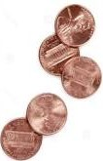 | = |  | ¢ | ? |  | 5
one nickel |  | = |  | ¢ | ? |  | 5
two nickels |  | = |  | ¢ | ? |  | 10
ten pennies |  | = |  | ¢ | ? |  | 10
five nickels |  | = |  | ¢ | ? |  | 25
one quarter |  | = |  | ¢ | ? |  | 25
four quarters |  | = |  | ¢ | ? |  | 100
a one dollar bill | 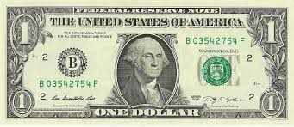 | = |  | $ | ? |  | 1
a five dollar bill | 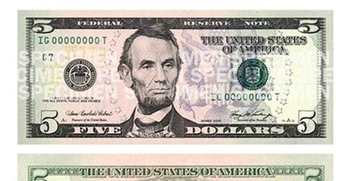 5 | = |  | $ | ? |  | 5
a ten dollar bill | 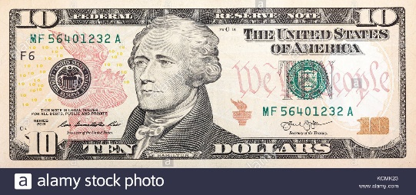 10 | = |  | $ | ? |  | 10
a twenty dollar bill | 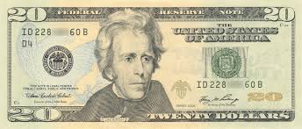 20 | = |  | $ | ? |  | 20
five twenties |  | = |  | $ | ? |  | 100
one hundred dollar bill |  | = |  | $ | ? |  | 100
 | Check your answers |  |  |  |  | $0.00 | $237.81

